Roller Skates
Roller Skates Packing List

Purple Rain /Holographic | QTY
Size 13 | 31
Size 12 | 76
Size 11 | 8
Size 10 | 16
Size 8 | 8
Size 7 | 1
Size 6 | 3

Thunder Black |  | 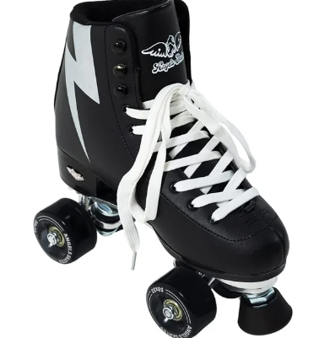 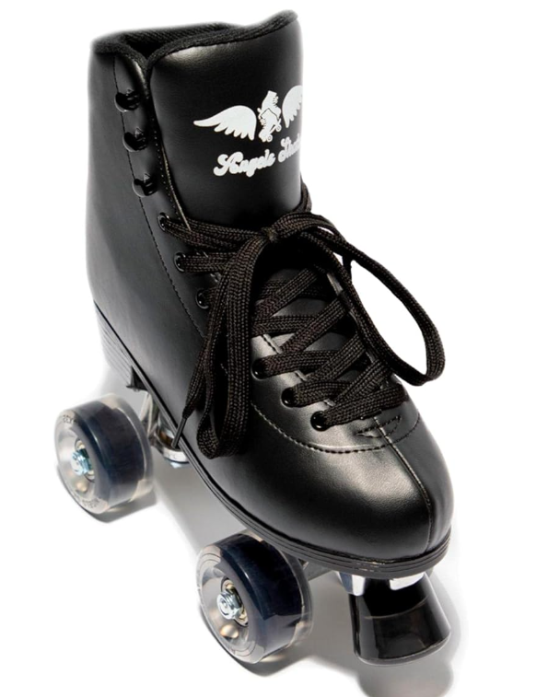
Size 13 | 6
Size 12 | 13
Size 11 | 8
Size 10 | 56
Size 9 | 9
Size 8 | 1
Size 7 | 5
Size 6 | 11
Size 5 | 12

Floral Orange |  | 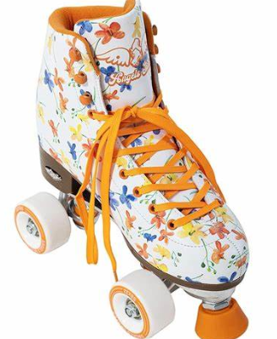
Size 13 | 18
Size 12 | 7
Size 11 | 18
Size 10 | 8
Size 9 | 12
Size 8 | 4
Size 7 | 8
Size 6 | 4
Size 5 | 6

Happy Face |  | 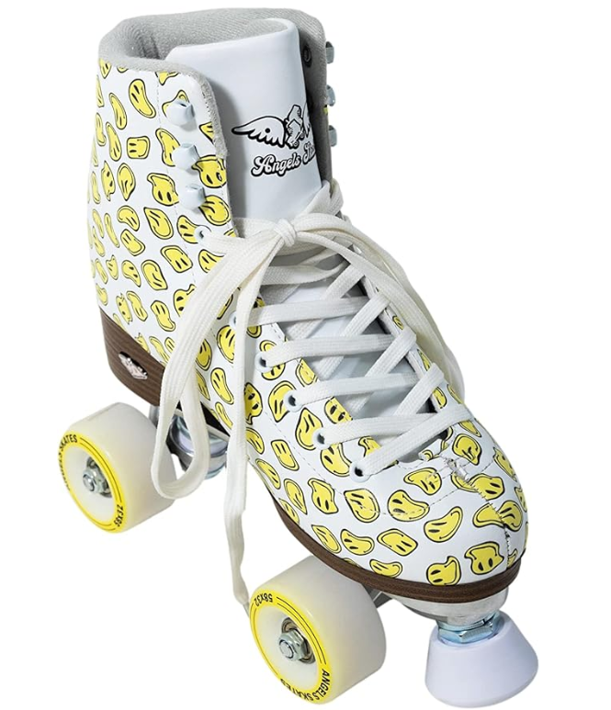
Size 13 | 6
Size 12 | 13
Size 11 | 55
Size 10 | 4
Size 9 | 5
Size 8 | 12
Size 7 | 24
Size 6 | 9
Size 5 | 82

Cloud White
Size 13 | 8
Size 12 | 93
Size 11 | 42
Size 10 | 13
Size 9 | 1
Size 8 | 3
Size 7 | 9
Size 6 | 4
Size 5 | 5

Sunset Pink |  | 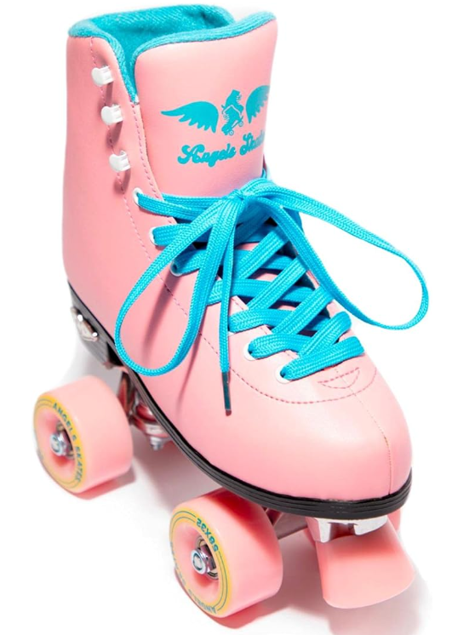 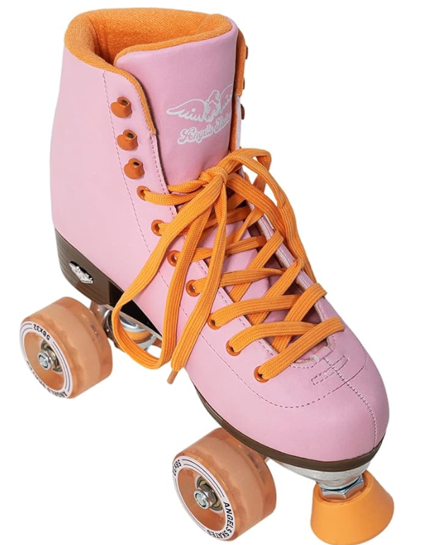
Size 13 | 3
Size 12 | 3
Size 11 | 2
Size 10 | 7
Size 9 | 4
Size 8 | 2
Size 7 | 2
Size 6 | 6
Size 5 | 2

Sky Blue |  | 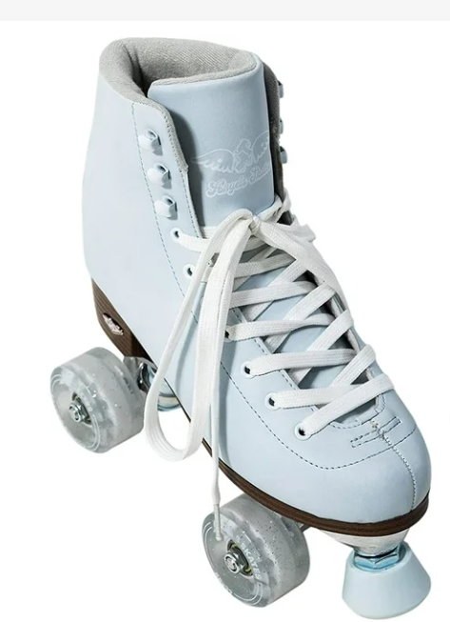 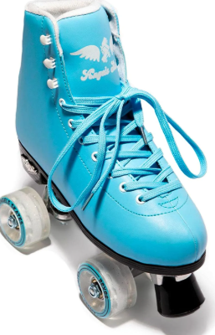
Size 13 | 8
Size 12 | 27
Size 11 | 16
Size 10 | 4
Size 9 | 10
Size 8 | 24
Size 7 | 111
Size 6 | 12
Size 5 | 15
Size 4 | 1

Rose Gold/Holographic Rose |  | 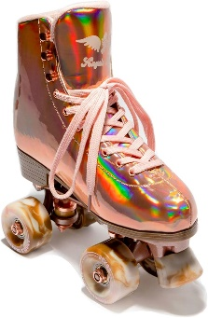
Size 12 | 12
Size 11 | 5
Size 10 | 123
Size 8 | 1
Size 7 | 10
Size 6 | 3

Total: | 1150 |  | EXW MN

